Sheet1
Style Code | Image | Description | COLOR | Color Code | MSRP | UNITS
CH5RP297 | 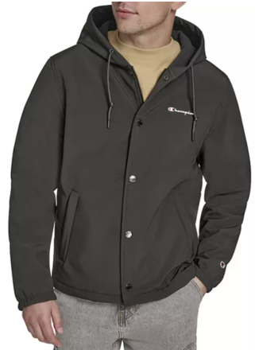 | light weight soft shell coaches hoody | BLACK | BLK | $160.00 | 3,600
CH5RP297 | 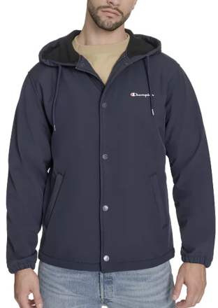 | light weight soft shell coaches hoody | PEACOAT | PCT | $160.00 | 3,600
CH5RP045 | 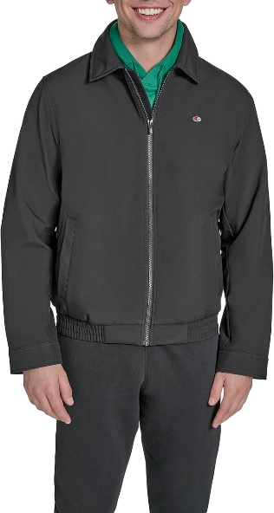 | light weight soft shell golf jacket | BLACK | BLK | $160.00 | 3,600
CH5RP045 | 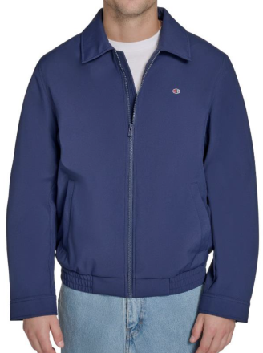 | light weight soft shell golf jacket | PEACOAT | PCT | $160.00 | 3,600
CH4RP036 | 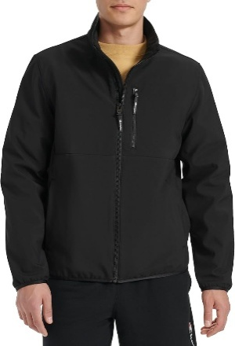 | light weight soft shell stand collar classic | BLACK | BLK | $160.00 | 2,000
CH4RP036 | 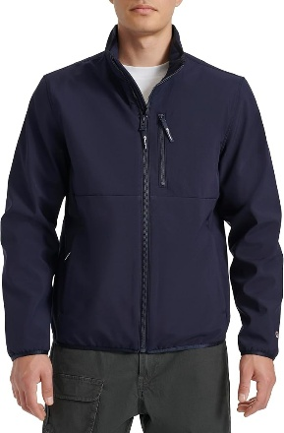 | light weight soft shell stand collar classic | PEACOAT | PCT | $160.00 | 3,600
CH4RP037 | 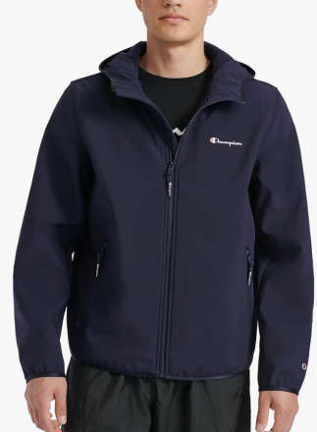 | light weight performance bomber | PEACOAT | PCT | $160.00 | 2,800
CH4RP037 | 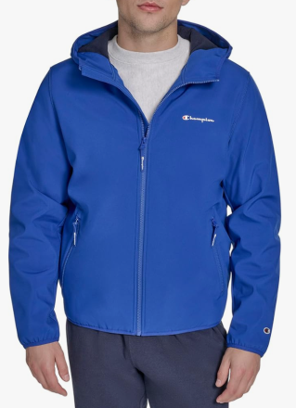 | light weight performance bomber | SURF THE WEB | 6SW | $160.00 | 900
CH6RU497 | 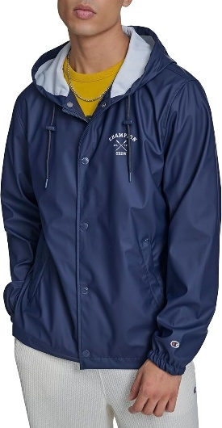 | light weight rubberized rain hoody | PEACOAT | PCT | $160.00 | 2,600
CH6SU497 |  | light weight rubberized rain hoody | PEACOAT | PCT | $160.00 | 2,600
CH5BP220 |  | varsity light weight fashion bomber | BLACK | BLK | $160.00 | 1,200
CH5RP220 | 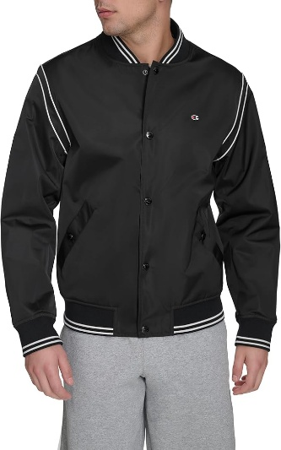 | varsity light weight fashion bomber | BLACK | BLK | $160.00 | 1,400
CH5RP220 | 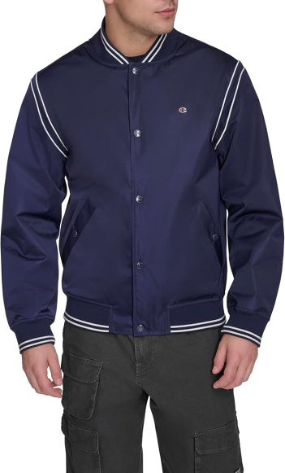 | varsity light weight fashion bomber | PEACOAT | PCT | $160.00 | 2,000
CH5BP220 | 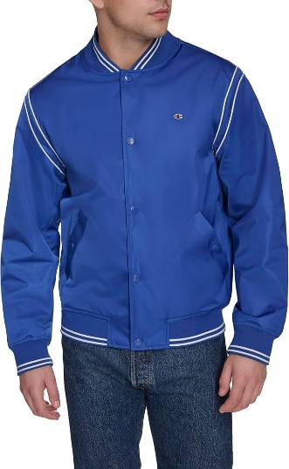 | varsity light weight fashion bomber | SURF THE WEB | 6SW | $160.00 | 1,200
CH5BP220 | 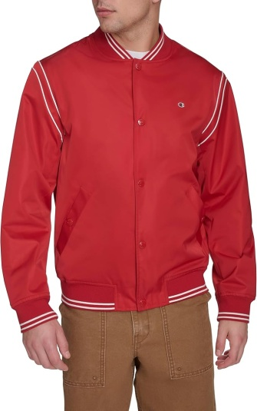 | varsity light weight fashion bomber | CHILI PEPPER | CPQ | $160.00 | 1,200
CH6RN339 | 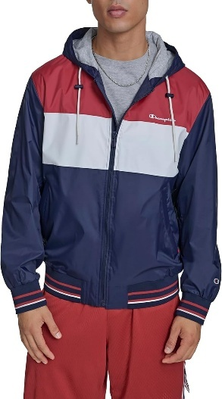 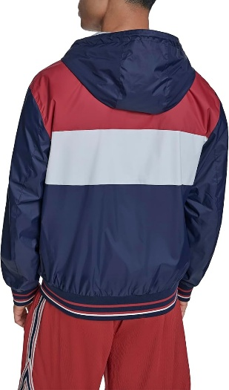 | retro hoody with jersey lining | RED/ICE/NAVY COMBO | RIN | $160.00 | 2,500
CH6RN339 | 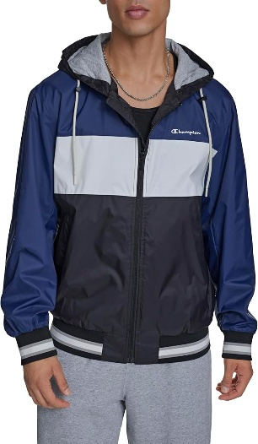 | retro hoody with jersey lining | ROYAL COMBO | DV9 | $160.00 | 800
CH6RN326 | 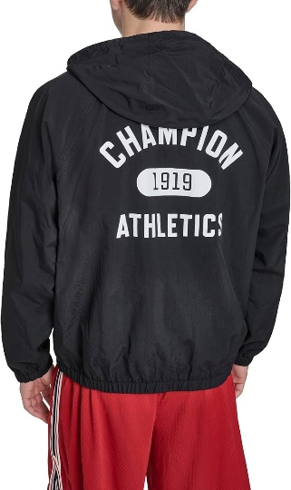 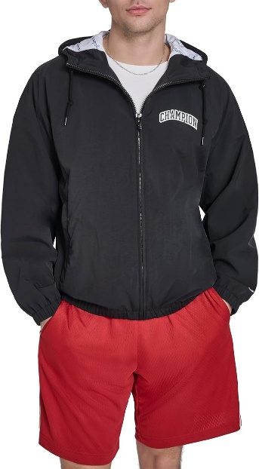 | packable logo windbreaker | BLACK | BLK | $160.00 | 2,300
CH6RN326 | 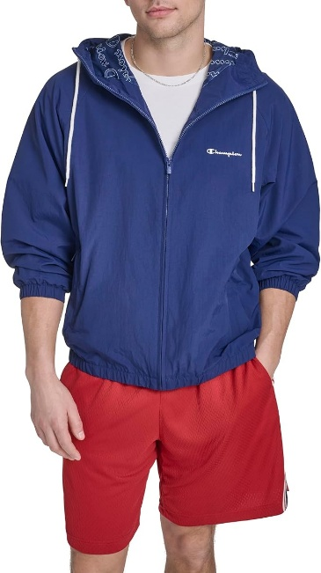 | packable logo windbreaker | PEACOAT | PCT | $160.00 | 2,300
CH6RN326 | 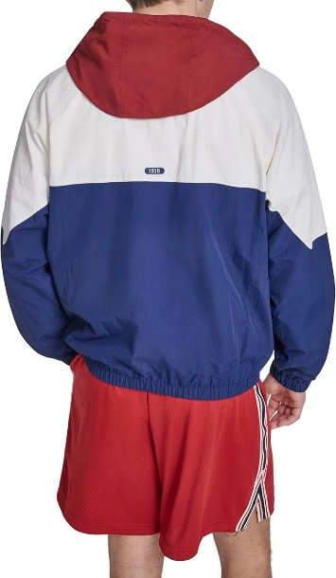 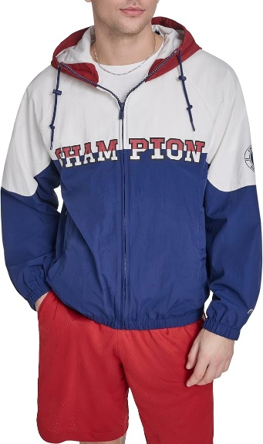 | packable logo windbreaker | RED/ICE/NAVY COMBO | RIN | $160.00 | 1,200
CH6RN326 | 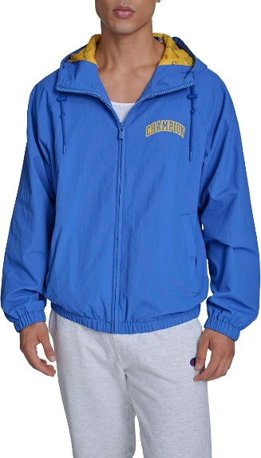 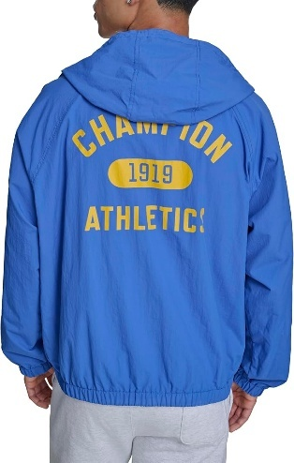 | packable logo windbreaker | BLUE | BLU | $160.00 | 500
 |  |  |  |  |  | 45,500

